英文
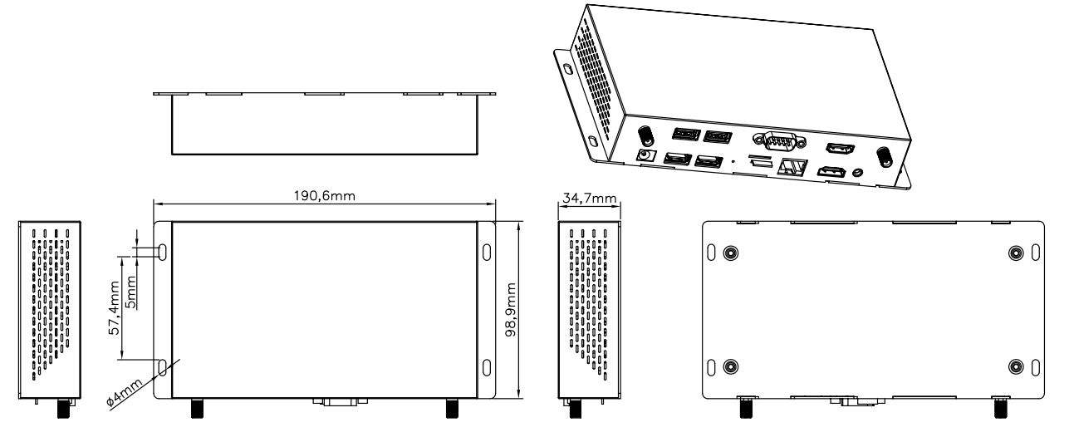

 |  |  |  |  |  |  |  | Website: www.pepper-jobs.eu
 |  |  |  |  |  |  |  | Address: Plattenborgstraat 20 8043 TT Zwolle
 |  |  |  |  |  |  |  | Contact person: Richard Delfsma
 |  |  |  |  |  |  |  | Email: richard@smartimportsolutions.nl

PRODUCT INFORMATION

 | Model No |  |  |  | X68-i (RK3568)
 | Brand |  |  |  | PEPPER JOBS
 | Product Type |  |  |  | Industrial control box
 |  |  |  | GPU |  |  |  | ARM G52 2EE, supporting OpenGL ES 1.1/2.0/3.2，OpenCL 2.0，Vulkan 1.1, Embedded with high performance 2D acceleration hardware
 |  |  |  | NPU |  |  |  | Support 1T computing power
 |  |  |  | RAM |  |  |  | 4GB (default)
 |  |  |  | Internal Storage |  |  |  | 32GB (default)
 |  |  |  | OS |  |  |  | Android 11
 | Network |  |  | WiFi |  |  |  | IEEE 802.11b/g/n (default), /ac optional
 |  |  |  | Ethernet |  |  |  | Support 10/100/1000M Ethernet
 |  |  |  | Mobile Network |  |  |  | Support wireless 4G network (LTE module has to be ordered seperately)
 |  |  |  | Bluetooth |  |  |  | Bluetooth 5.2
 | Interface |  | Upper Layer Interfaces | RS232 |  |  |  | RS232 com port male head DB9*1
 |  |  |  | USB 2.0 |  |  |  | USB 2.0_A*2
 |  |  |  | HDMI_OUT_2 |  |  |  | HDMI auxiliary output supporting 1920*1080 60Hz
 |  |  | Lower Layer Interfaces | DC holder*1 |  |  |  | DC_12V input 5.5*2.1mm plug
 |  |  |  | Headphone |  |  |  | 3.5mm stereo headphone output
 |  |  |  | USB_OTG |  |  |  | USB_A*1
 |  |  |  | USB 3.0 |  |  |  | USB 3.0_A*1
 |  |  |  | HDMI_OUT_1 |  |  |  | HDMI 2.0 main output supporting 3840*2160 60Hz max.
 |  |  |  | SIM card |  |  |  | SIM card slot*1 (optional)
 |  |  |  | Extended memory port |  |  |  | TF card slot*1
 | Button |  |  | Button |  |  |  | Upgrade button*1
 | Environmental Conditions |  |  | Working Environment |  |  |  | Temperature:-20~60℃,5%-85%RH (No condensation)
 |  |  |  | Storage environment |  |  |  | Temperature:-20~70℃,5%-95%RH (No condensation)
 | Material |  |  | Shell material |  |  |  | Metal
 | Size |  |  | Product Size |  |  |  | Shell size:190.6*98.9*34.7mm

 | Product Measurement, mm
 | Unit |  |  | Giftbox |  |  | Carton pcs/CTN
 | L | W | H | L | W | H | L | W | H
 | 190.6 | 98.9 | 34.7
 | Net(kg) |  |  |  | Net(kg) |  |  | Net
 |  |  |  |  |  |  |  | G.W
 | structural drawings

